WC Friday, 21 August 2026
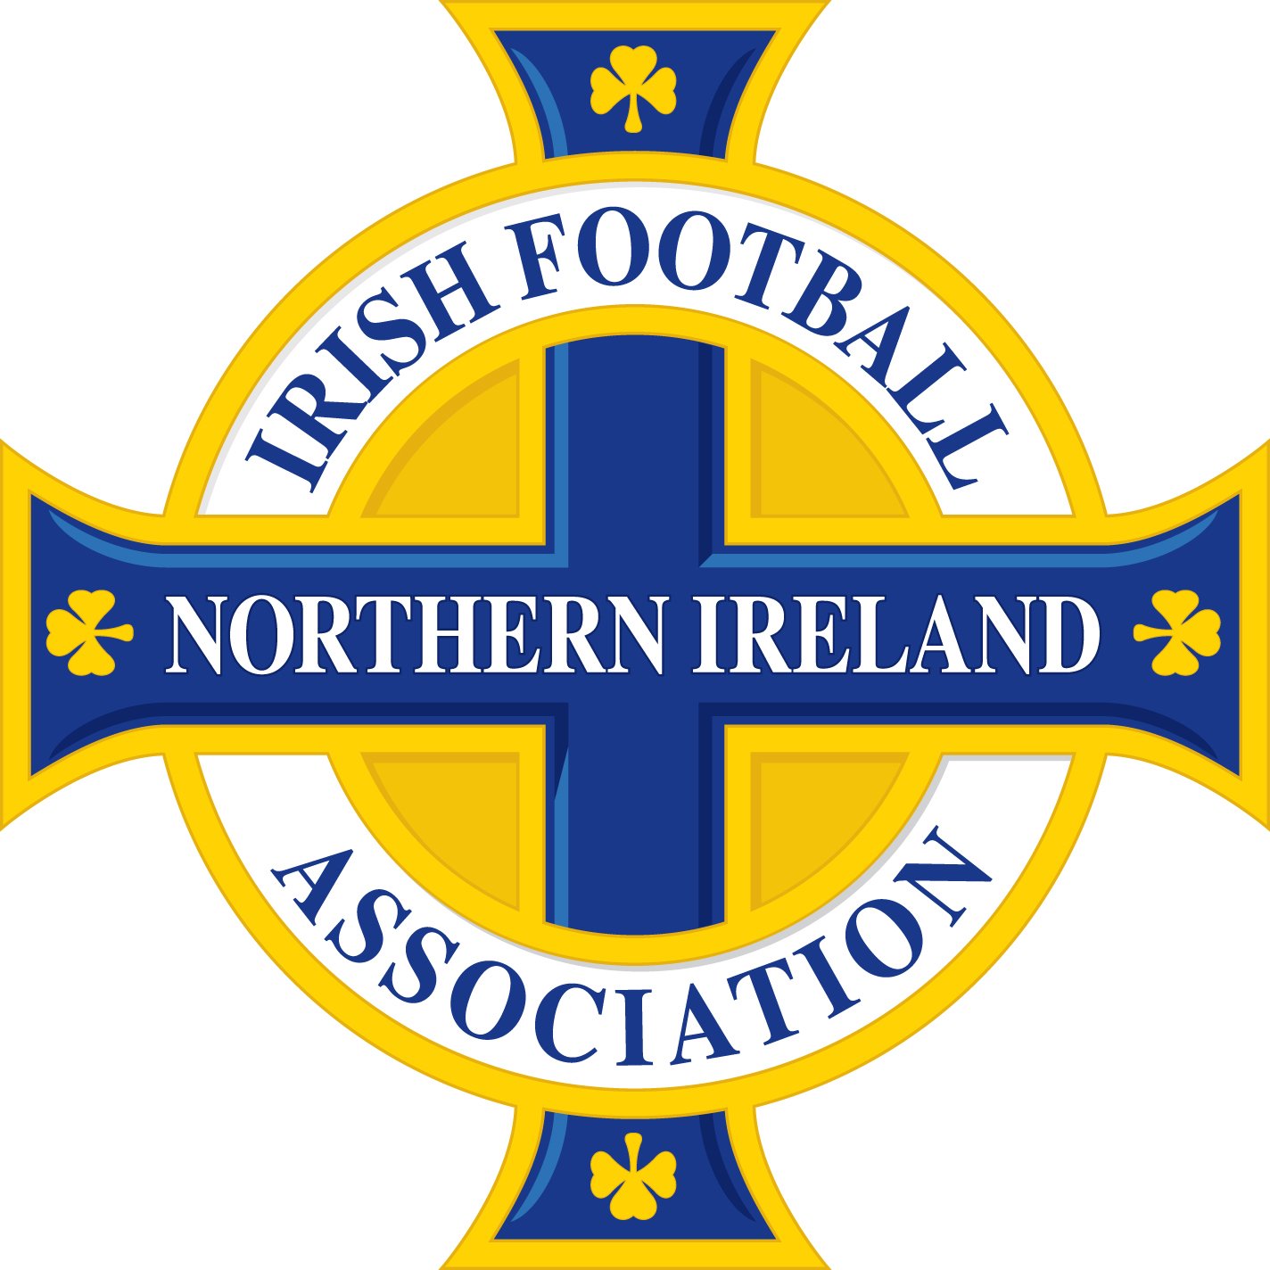

 | PLEASE NOTE, OTHER THAN SUSPENSIONS ARISING FROM THE ACCUMULATION OF CAUTIONS AND/OR TWO CAUTIONS IN THE SAME MATCH, THE BELOW DISMISSALS MAY BE SUBJECT TO DISCIPLINARY CHALLENGE AND SUBSEQUENT APPEAL.

Name of Player/Official | Team Name | Match | Match Date | Offence | Match Suspension | Competition received in | Competition to be served in | Suspension Start Date
Scott Allen Bruce | Abbeyview | Carnlough Swifts - Abbeyview | 2026-08-22 | Violent conduct | 3 | Galgorm Trophies League Cup | All Competitions | Immediate
Jack Conlon | AFC Craigavon | AFC Craigavon - Seapatrick | 2026-08-22 | Two cautions in the same match | 1 | MUFL Alan Wilson Cup | All Competitions | Immediate
Conrad Mullan | Aghadowey | Aghadowey - Dervock Reserves | 2026-08-22 | Sent off from the game in 90. min S1 Serious foul play. | 3 | C&DL Division 1 | All Competitions | Immediate
Ryan Lyness | All Saints OB | All Saints OB - Cloughmills | 2026-08-22 | Two cautions in the same match | 1 | Kinecx Energy BSML Division 1 | All Competitions | Immediate
Ryan Stewart | Armagh Blues | Armagh Blues - Gilford Crusaders | 2026-08-22 | Two cautions in the same match | 1 | MUFL Marshall Cup | All Competitions | Immediate
Ross McParland | Armagh Celtic | Armagh Celtic - Riverdale | 2026-08-22 | Two cautions in the same match | 1 | MUFL Division 2 | All Competitions | Immediate
James Geraghty | Armagh Celtic | Armagh Celtic - Riverdale | 2026-08-22 | Using offensive, insulting or abusive language and/or gestures | 2 | MUFL Division 2 | All Competitions | Immediate
Peter Wells | Articlave | Bushmills United - Articlave | 2026-08-22 | Violent conduct | 3 | C&DL Division 1 | All Competitions | Immediate
Jamie Johnston | Ballinamallard United Reserves | Killen Rangers - Ballinamallard United Reserves | 2026-08-25 | Two cautions in the same match | 1 | Fermanagh & Western Division 1 | All Competitions | Immediate
Chelsea Meehan | Ballymacash Rangers Ladies | Castle Ladies Fc - Ballymacash Rangers Ladies | 2026-08-21 | Violent conduct | 3 | NIWFA Pathway East League | All Competitions | Immediate
Will McNeill | Ballynahinch United | Ballynahinch United - Ballywalter Rec | 2026-08-20 | Serious foul play | 3 | NAFL Division 1C | All Competitions | Immediate
Adam King | Ballyoran | Ballyoran - Killymoon Rangers Reserves | 2026-08-22 | Two cautions in the same match | 1 | MUFL Marshall Cup | All Competitions | Immediate
Callum Magee | Ballyoran | Ballyoran - Killymoon Rangers Reserves | 2026-08-22 | Denying an obvious goal-scoring opportunity to an opponent moving towards the player's goal by an offence punishable by a free kick or a penalty kick | 1 | MUFL Marshall Cup | All Competitions | Immediate
Darren Corkum | Ballywalter Rec | Ballywalter Rec - Shorts | 2026-08-22 | Using offensive, insulting or abusive language and/or gestures | 2 | NAFL Division 1C | All Competitions | Immediate
Russell Hilland | Banbridge Rangers Reserves | Lurgan Town U23 - Banbridge Rangers Reserves | 2026-08-22 | Violent conduct | 3 | MUFL Reserve Championship | All Competitions | Immediate
Stuart Victor William Beattie | Bangor Amateurs | Bangor Amateurs - Ballynahinch Olympic | 2026-08-22 | Violent conduct | 3 | NAFL Division 1B | All Competitions | Immediate
Padraig Robinson | Belfast Celtic | Belfast Celtic - Newtowne | 2026-08-22 | Violent conduct | 3 | BPFL Intermediate Division 1 | All Competitions | Immediate
Peter Griffith | Brantwood | Brantwood - Inspired Talents | 2026-08-25 | Violent conduct | 3 | BPFL Intermediate Division 2 | All Competitions | Immediate
Sebastian Kundys | Carniny AYFC | Carniny AYFC - Olderfleet | 2026-08-25 | Two cautions in the same match | 1 | Kinecx Energy BSML Division 1 | All Competitions | Immediate
Conan McAuley | Chimney Corner | Killymoon Rangers - Chimney Corner | 2026-08-22 | Two cautions in the same match | 1 | BPFL Intermediate Division 2 | All Competitions | Immediate
Jonathan Campbell | Church Street | Rockview United - Church Street | 2026-08-22 | Threatening or intimidating behaviour towards a match official, Player using abusive language and threatening behaviour towards the referee | 11 | C&DL Division 1 | All Competitions | Immediate
Cameron Staveley | Clough Rangers | Seven Towers - Clough Rangers | 2026-08-22 | Denying an obvious goal-scoring opportunity to an opponent moving towards the player's goal by an offence punishable by a free kick or a penalty kick | 1 | Kinecx Energy BSML Division 1 | All Competitions | Immediate
Emmett Spiers | Coina Rovers | Coina Rovers - Glebe Rangers Reserves | 2026-08-22 | Two cautions in the same match | 1 | C&DL Championship | All Competitions | Immediate
Aiden Doyle | Cookstown Olympic | Cookstown Olympic - Lisburn Rovers | 2026-08-22 | Two cautions in the same match | 1 | MUFL Division 2 | All Competitions | Immediate
Charlie McManus | Crewe United | Moneyslane - Crewe United | 2026-08-22 | Denying an obvious goal-scoring opportunity to an opponent moving towards the player's goal by an offence punishable by a free kick or a penalty kick | 1 | MUFL Isaac Gilkinson Premier Cup | All Competitions | Immediate
Gary Rouse | Dergview Reserves | Dergview Reserves - Tummery Athletic | 2026-08-22 | Two cautions in the same match | 1 | Fermanagh & Western Division 1 | All Competitions | Immediate
Mervyn McConaghy | Dervock Reserves | Aghadowey - Dervock Reserves | 2026-08-22 | Serious foul play | 3 | C&DL Division 1 | All Competitions | Immediate
Sean Og Gallagher | Drumaness Mills | Drumaness Mills - Lisburn Rangers | 2026-08-22 | Two cautions in the same match | 1 | NAFL Border Regiment Cup | All Competitions | Immediate
Joshua Dennison | Drumquin United Reserves | Drumquin United Reserves - NFC Kesh Reserves | 2026-08-22 | Denying an obvious goal-scoring opportunity to an opponent moving towards the player's goal by an offence punishable by a free kick or a penalty kick | 1 | Fermanagh & Western Reserve Division 2 | All Competitions | Immediate
Lee Wilson | Dunaghy | Cookstown RBL Swifts - Dunaghy | 2026-08-22 | Serious foul play | 3 | C&DL Championship | All Competitions | Immediate
Darren Collins | Dunbreen Rovers | Dunbreen Rovers - Enniskillen Rovers | 2026-08-21 | Two cautions in the same match | 1 | Fermanagh & Western Division 3 | All Competitions | Immediate
Charlie Dornan | Dundela | Ballinamallard United - Dundela | 2026-08-22 | Two cautions in the same match | 1 | BOYLE Sports Championship | All Competitions | Immediate
Oisin Barr | Dundela | Ballinamallard United - Dundela | 2026-08-22 | Violent conduct | 3 | BOYLE Sports Championship | All Competitions | Immediate
Charlie Cunning | Dunloy Reserves | Rasharkin Athletic - Dunloy Reserves | 2026-08-26 | Violent conduct | 3 | C&DL Division 1 | All Competitions | Immediate
Ciaran Smith | Enniskillen Rangers | Enniskillen Rangers - Ballinamallard United Reserves | 2026-08-22 | Two cautions in the same match | 1 | Fermanagh & Western Division 1 | All Competitions | Immediate
Ryan Doherty | Heights | Heights - Wellington Rec | 2026-08-22 | Two cautions in the same match | 1 | BPFL Intermediate Division 1 | All Competitions | Immediate
Steven Coyles | Heights Reserves | Heights Reserves - Portrush Reserves | 2026-08-22 | Violent conduct | 3 | C&DL Championship | All Competitions | Immediate
Gary Mcvicker | Immaculata | 18th Newtownabbey OB - Immaculata | 2026-08-22 | Denying an obvious goal-scoring opportunity to an opponent moving towards the player's goal by an offence punishable by a free kick or a penalty kick | 1 | NAFL Border Regiment Cup | All Competitions | Immediate
Evan Tweed | Institute | Queens University - Institute | 2026-08-22 | Denying an obvious goal-scoring opportunity to an opponent moving towards the player's goal by an offence punishable by a free kick or a penalty kick | 1 | BOYLE Sports Championship | All Competitions | Immediate
Duane Beacom | Irvinestown Wanderers | Tummery Athletic - Irvinestown Wanderers | 2026-08-25 | Two cautions in the same match | 1 | Fermanagh & Western Division 1 | All Competitions | Immediate
Jack Larkin | Kilmore Rec | Saintfield United - Kilmore Rec | 2026-08-22 | Violent conduct | 3 | NAFL Border Regiment Cup | All Competitions | Immediate
Christopher Chambers | Loughgall | Ards - Loughgall | 2026-08-22 | Using offensive, insulting or abusive language and/or gestures | 2 | BOYLE Sports Championship | All Competitions | Immediate
Kirk McLaughlin | Loughgall | Ards - Loughgall | 2026-08-22 | Serious foul play | 3 | BOYLE Sports Championship | All Competitions | Immediate
Scott McCann | Loughgall | Ards - Loughgall | 2026-08-22 | Using offensive, insulting or abusive language and/or gestures | 2 | BOYLE Sports Championship | All Competitions | Immediate
James Duffy | Loughgall Reserves | Newington U21 - Loughgall Reserves | 2026-08-22 | Violent conduct | 3 | NIFL U21 Championship Development | All Competitions | Immediate
Zach McFadden | Newbuildings United | Newbuildings United - Ballymoney United | 2026-08-22 | Denying an obvious goal-scoring opportunity to an opponent moving towards the player's goal by an offence punishable by a free kick or a penalty kick | 1 | BPFL Intermediate Division 1 | All Competitions | Immediate
Ben McGonigle | Newtowne | Heights - Newtowne | 2026-08-25 | Two cautions in the same match | 1 | BPFL Intermediate Division 1 | All Competitions | Immediate
Aidan McDowell | Omagh Town | Fintona Swifts - Omagh Town | 2026-08-22 | Violent conduct | 3 | Fermanagh & Western Division 3 | All Competitions | Immediate
Reece Kenny | Orangefield OB | Orangefield OB - Tullycarnet | 2026-08-20 | Two cautions in the same match | 1 | NAFL Division 1C | All Competitions | Immediate
Daire Whitmarsh | Oxford Sunnyside U23 | Oxford Sunnyside U23 - Seagoe Reserves | 2026-08-26 | Serious foul play | 3 | MUFL Reserve Championship | All Competitions | Immediate
Finn Flanagan | Portadown | Crusaders - Portadown | 2026-08-22 | Two cautions in the same match | 1 | BOYLE Sports NIFL Premiership | All Competitions | Immediate
Joshua Greene | Portrush Reserves | Garvagh - Portrush Reserves | 2026-08-25 | Two cautions in the same match | 1 | C&DL Championship | All Competitions | Immediate
Luke Loughrey | Portrush Reserves | Garvagh - Portrush Reserves | 2026-08-25 | Denying an obvious goal-scoring opportunity to an opponent moving towards the player's goal by an offence punishable by a free kick or a penalty kick | 1 | C&DL Championship | All Competitions | Immediate
Frankie Mitchell | Portrush Reserves | Heights Reserves - Portrush Reserves | 2026-08-22 | Using offensive, insulting or abusive language and/or gestures | 2 | C&DL Championship | All Competitions | Immediate
Brian Óg O'Neill | Rasharkin Athletic | Rasharkin Athletic - Dunloy Reserves | 2026-08-26 | Violent conduct | 3 | C&DL Division 1 | All Competitions | Immediate
Jack Quinn | Rasharkin Athletic | Rasharkin Athletic - Dunloy Reserves | 2026-08-26 | Denying the opposing team a goal or an obvious goal-scoring opportunity by deliberately handling the ball | 1 | C&DL Division 1 | All Competitions | Immediate
Joshua John Ucar | Rossowen | Newry Celtic - Rossowen | 2026-08-22 | Two cautions in the same match | 1 | CFL Premier Division | All Competitions | Immediate
Cathan Devlin | Seapatrick | AFC Craigavon - Seapatrick | 2026-08-22 | Two cautions in the same match | 1 | MUFL Alan Wilson Cup | All Competitions | Immediate
Lewis Devlin | Seven Towers | Seven Towers - Clough Rangers | 2026-08-22 | Two cautions in the same match | 1 | Kinecx Energy BSML Division 1 | All Competitions | Immediate
Shaun Candy | Strathroy Harps Reserves | Strathroy Harps Reserves - Killen Rangers Reserves | 2026-08-22 | Denying the opposing team a goal or an obvious goal-scoring opportunity by deliberately handling the ball | 1 | Fermanagh & Western Reserve Division 1 | All Competitions | Immediate
Matthew Bradley | Toome | Ballycastle United Reserves - Toome | 2026-08-22 | Denying an obvious goal-scoring opportunity to an opponent moving towards the player's goal by an offence punishable by a free kick or a penalty kick | 1 | Galgorm Trophies League Cup | All Competitions | Immediate
David Houston | Valley Rangers Reserves | Richhill AFC Reserves - Valley Rangers Reserves | 2026-08-22 | Two cautions in the same match | 1 | MUFL Reserve Championship | All Competitions | Immediate
Conor Sullivan | Willowbank | Willowbank - St Oliver Plunkett | 2026-08-22 | Two cautions in the same match | 1 | NAFL Border Regiment Cup | All Competitions | Immediate

IT IS THE RESPONSIBILITY OF CLUBS TO ENSURE THAT SUSPENSIONS ARE SERVED IN ACCORDANCE WITH THE DISCIPLINARY CODE AND APPLICABLE COMPETITION REGULATIONS.

