WC Friday, 14 August 2026
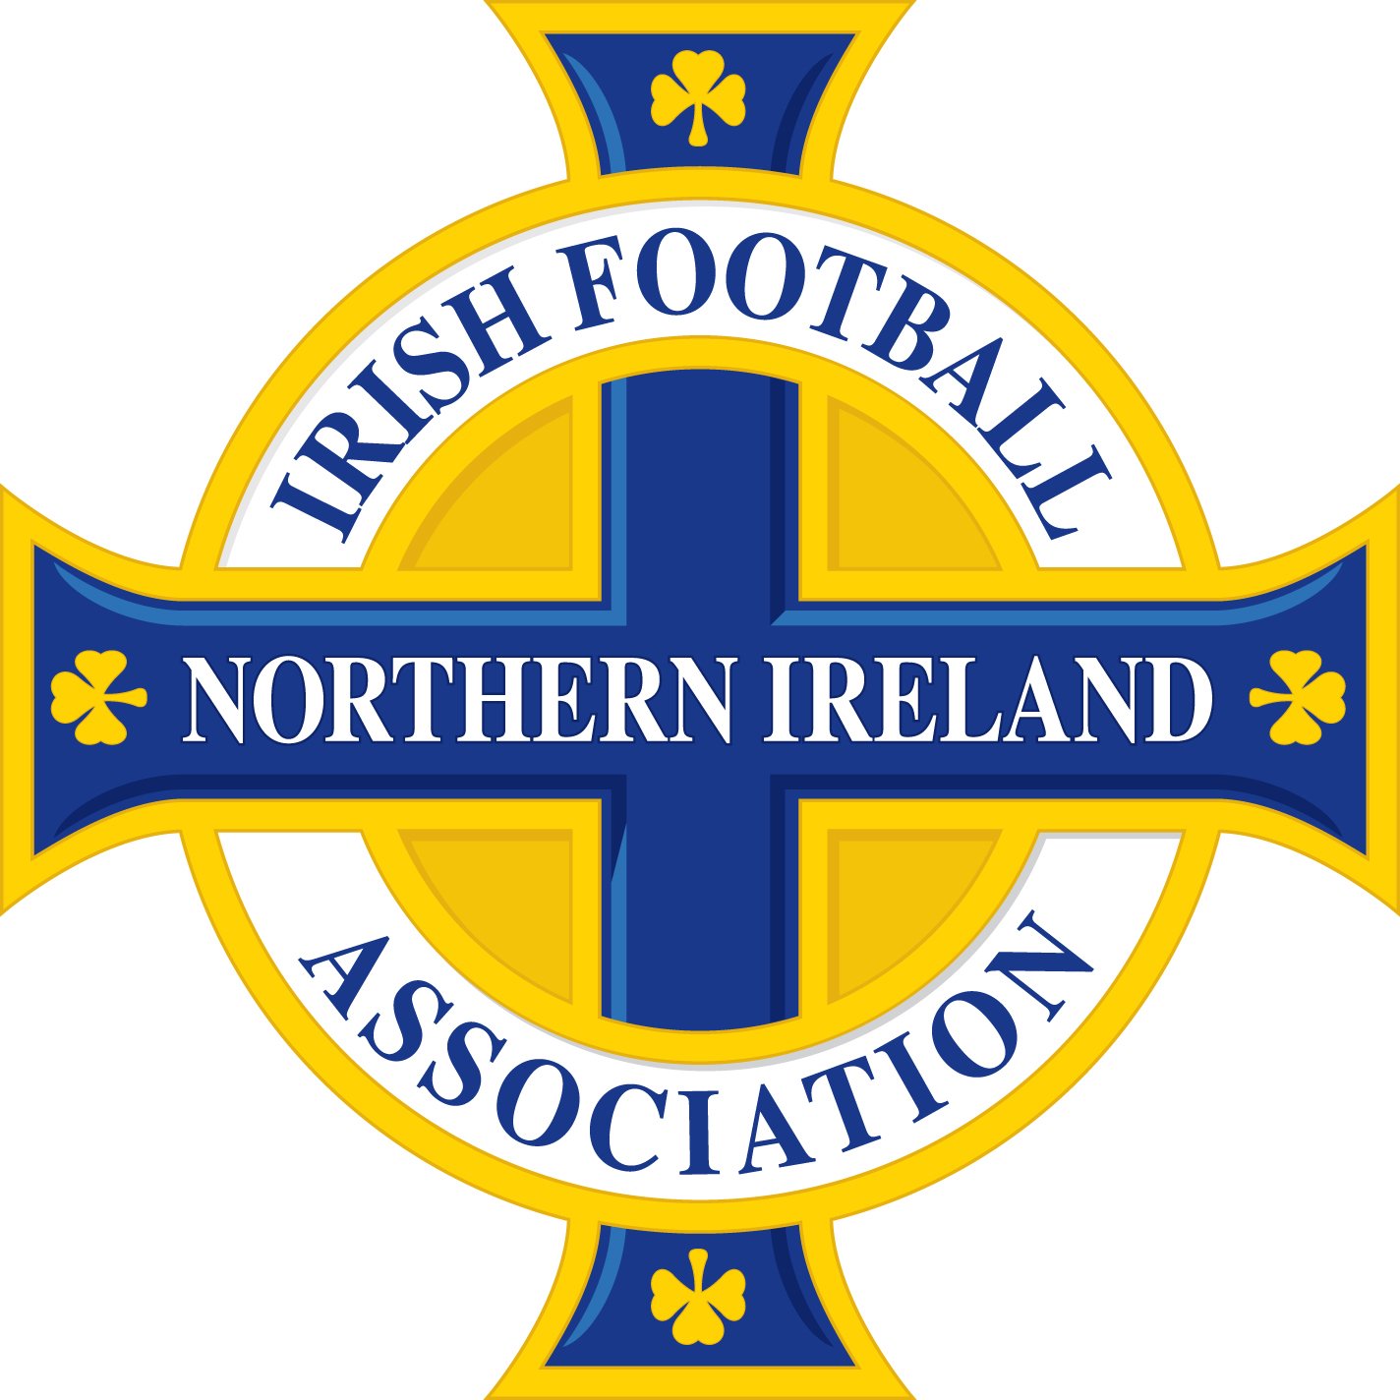

 | PLEASE NOTE, OTHER THAN SUSPENSIONS ARISING FROM THE ACCUMULATION OF CAUTIONS AND/OR TWO CAUTIONS IN THE SAME MATCH, THE BELOW DISMISSALS MAY BE SUBJECT TO DISCIPLINARY CHALLENGE AND SUBSEQUENT APPEAL.

Name of Player/Official | Team Name | Match | Match Date | Offence | Match Suspension | Competition received in | Competition to be served in | Suspension Start Date
Nathan Johnston | 1st Bangor | Dunmurry Rec - 1st Bangor | 2026-08-13 | Two cautions in the same match | 1 | NAFL Division 1A | All Competitions | Immediate
Dylan Graham | Annagh United | Dundela - Annagh United | 2026-08-15 | Two cautions in the same match | 1 | BOYLE Sports Championship | All Competitions | Immediate
James McClure | Ards | Warrenpoint Town - Ards | 2026-08-15 | Two cautions in the same match | 1 | BOYLE Sports Championship | All Competitions | Immediate
Galen Black | Ballybrakes United | Ballybrakes United - Portrush Reserves | 2026-08-18 | Two cautions in the same match | 1 | C&DL Championship | All Competitions | Immediate
Naoimhe Guiney | Ballymoney United Ladies | Ballyclare Comrades Ladies - Ballymoney United Ladies | 2026-08-19 | Two cautions in the same match | 1 | NIWFA Championship League | All Competitions | Immediate
Chloe Campbell | Ballymoney United Ladies Reserves | Oxford Sunnyside Ladies - Ballymoney United Ladies Reserves | 2026-08-14 | Accumulation of cautions | 1 | NIWFA Division 3 League | NIWFA Division 3 League | Immediate
Charlie Parkinson | Ballynahinch United | Grove United - Ballynahinch United | 2026-08-15 | Two cautions in the same match | 1 | NAFL Division 1C | All Competitions | Immediate
Will McNeill | Ballynahinch United | Ballynahinch United - Ballywalter Rec | 2026-08-20 | Serious foul play | 3 | NAFL Division 1C | All Competitions | Immediate
Brandon Kirk | Ballywalter Rec | Ballywalter Rec - Portaferry Rovers | 2026-08-13 | Two cautions in the same match | 1 | NAFL Division 1C | All Competitions | Immediate
Patrick Feeney | Bellaghy Town | Abbeyview - Bellaghy Town | 2026-08-19 | Two cautions in the same match | 1 | Kinecx Energy BSML Division 2 | All Competitions | Immediate
Christopher Cowden | Bloomfield | Ballynahinch United - Bloomfield | 2026-08-13 | Denying an obvious goal-scoring opportunity to an opponent moving towards the player's goal by an offence punishable by a free kick or a penalty kick | 1 | NAFL Division 1C | All Competitions | Immediate
Omar Beydilli | Brantwood | Tobermore United - Brantwood | 2026-08-18 | Using offensive, insulting or abusive language and/or gestures | 2 | BPFL Intermediate Division 2 | All Competitions | Immediate
Tony Kelly | Bushmills United | Coleraine Crusaders Reserves - Bushmills United | 2026-08-19 | Two cautions in the same match | 1 | C&DL Division 1 | All Competitions | Immediate
Paul Dunlop | Carniny AYFC | Carniny AYFC - FC Antrim | 2026-08-18 | Two cautions in the same match | 1 | Kinecx Energy BSML Division 1 | All Competitions | Immediate
Alfie Dallas | Coagh United | Rosario YC - Coagh United | 2026-08-18 | Two cautions in the same match | 1 | National Conference League Premier | All Competitions | Immediate
Thomas Greer | Cookstown RBL Swifts | Cookstown RBL Swifts - Glebe Rangers Reserves | 2026-08-15 | Violent conduct | 3 | C&DL Championship | All Competitions | Immediate
Dylan Crutchley | Craigavon City Reserves | Craigavon City Reserves - St Marys YC Reserves | 2026-08-19 | Two cautions in the same match | 1 | MUFL Reserve Championship | All Competitions | Immediate
David Cullen | Crewe United U23 | Crewe United U23 - Seagoe Reserves | 2026-08-19 | Two cautions in the same match | 1 | MUFL Reserve Championship | All Competitions | Immediate
Aidan Lillis | Crumlin Star | Holywood - Crumlin Star | 2026-08-15 | Two cautions in the same match | 1 | ToalsBet Steel & Sons Cup | All Competitions | Immediate
Conor Nolan | Crumlin United | Crumlin United - Willowbank | 2026-08-13 | Two cautions in the same match | 1 | NAFL Division 1A | All Competitions | Immediate
Shane Patrick McKernan | Crumlin United | Mossley - Crumlin United | 2026-08-15 | Two cautions in the same match | 1 | ToalsBet Steel & Sons Cup | All Competitions | Immediate
Cooper Lambe | Crusaders Reserves | 18th Newtownabbey OB - Crusaders Reserves | 2026-08-15 | Denying an obvious goal-scoring opportunity to an opponent moving towards the player's goal by an offence punishable by a free kick or a penalty kick | 1 | ToalsBet Steel & Sons Cup | All Competitions | Immediate
Brett Conville | Dergview Reserves | Irvinestown Wanderers - Dergview Reserves | 2026-08-15 | Serious foul play | 3 | Fermanagh & Western Division 1 | All Competitions | Immediate
Owen Victor Forsythe | Derriaghy CC | Derriaghy CC - Holywood | 2026-08-18 | Two cautions in the same match | 1 | NAFL Premier Division | All Competitions | Immediate
Kaci Deery | Derry City | Derry City - Linfield FC Women | 2026-08-14 | Accumulation of cautions | 1 | NIFL Women's Premiership | NIFL Women's Premiership | Immediate
Damian Traczykowski | Dollingstown | Dollingstown - St James Swifts | 2026-08-18 | Serious foul play | 3 | National Conference League Premier | All Competitions | Immediate
Shay Burns | Donegal Celtic | Wellington Rec - Donegal Celtic | 2026-08-18 | Denying an obvious goal-scoring opportunity to an opponent moving towards the player's goal by an offence punishable by a free kick or a penalty kick | 1 | BPFL Intermediate Division 1 | All Competitions | Immediate
Christopher Patterson | Downshire YM | Killyleagh YC - Downshire YM | 2026-08-18 | Denying an obvious goal-scoring opportunity to an opponent moving towards the player's goal by an offence punishable by a free kick or a penalty kick | 1 | NAFL Division 1B | All Competitions | Immediate
Nathan Murphy | Draperstown Celtic Reserves | Ballybrakes United - Draperstown Celtic Reserves | 2026-08-15 | Serious foul play | 3 | C&DL Championship | All Competitions | Immediate
Mark Burke | Dromara Village | Dromara Village - Greenisland | 2026-08-15 | Denying an obvious goal-scoring opportunity to an opponent moving towards the player's goal by an offence punishable by a free kick or a penalty kick | 1 | ToalsBet Steel & Sons Cup | All Competitions | Immediate
Brett Thompson | Dundela | Dundela - Annagh United | 2026-08-15 | Violent conduct | 3 | BOYLE Sports Championship | All Competitions | Immediate
Alexander Conway | Dundonald | Downshire YM - Dundonald | 2026-08-15 | Denying an obvious goal-scoring opportunity to an opponent moving towards the player's goal by an offence punishable by a free kick or a penalty kick | 1 | ToalsBet Steel & Sons Cup | All Competitions | Immediate
Ryan Harvey | Dundonald | Downshire YM - Dundonald | 2026-08-15 | Using offensive, insulting or abusive language and/or gestures | 2 | ToalsBet Steel & Sons Cup | All Competitions | Immediate
Christopher Brogan | Dunloy | Dunloy - Portstewart Olympic | 2026-08-15 | Using offensive, insulting or abusive language and/or gestures | 2 | C&DL Premier League | All Competitions | Immediate
Matthew McGrath | Dunmurry Rec | Dunmurry Rec - 1st Bangor | 2026-08-13 | Two cautions in the same match | 1 | NAFL Division 1A | All Competitions | Immediate
Brad Ferguson | Dunmurry YM | Ards Rangers - Dunmurry YM | 2026-08-18 | Violent conduct | 3 | NAFL Premier Division | All Competitions | Immediate
David McDowell | East Belfast | Islandmagee - East Belfast | 2026-08-18 | Two cautions in the same match | 1 | NAFL Premier Division | All Competitions | Immediate
Jackson McClean | East Belfast | Glentoran II - East Belfast | 2026-08-15 | Accumulation of cautions | 1 | ToalsBet Steel & Sons Cup | ToalsBet Steel & Sons Cup | Immediate
Aidan Scullion | FC Antrim | Carniny AYFC - FC Antrim | 2026-08-18 | Two cautions in the same match | 1 | Kinecx Energy BSML Division 1 | All Competitions | Immediate
Ross Dougherty | Glenavy | Sandy Hill - Glenavy | 2026-08-15 | Two cautions in the same match | 1 | MUFL Division 1 | All Competitions | Immediate
Jordan John Stewart | Glentoran | Linfield - Glentoran | 2026-08-15 | Violent conduct | 3 | BOYLE Sports NIFL Premiership | All Competitions | Immediate
Jamie McCreery | Glentoran II | Glentoran II - Portadown Reserves | 2026-08-17 | Violent conduct | 3 | NIFL U20 Premiership Development League | All Competitions | Immediate
Rhys Hemphill | Holywell | Ballycastle United Reserves - Holywell | 2026-08-15 | Using offensive, insulting or abusive language and/or gestures | 2 | Galgorm Trophies League Cup | All Competitions | Immediate
Jordan Toal | Irvinestown Wanderers | Irvinestown Wanderers - Dergview Reserves | 2026-08-15 | Serious foul play | 3 | Fermanagh & Western Division 1 | All Competitions | Immediate
Cormac Lawlor | Knockbreda | Castlewellan Town - Knockbreda | 2026-08-15 | Accumulation of cautions | 1 | ToalsBet Steel & Sons Cup | ToalsBet Steel & Sons Cup | Immediate
Ruairi Wright | Knockbreda | Ballymacash Rangers - Knockbreda | 2026-08-18 | Serious foul play | 3 | National Conference League Premier | All Competitions | Immediate
Albert Watson | Larne Olympic | Suffolk - Larne Olympic | 2026-08-15 | Using offensive, insulting or abusive language and/or gestures | 2 | ToalsBet Steel & Sons Cup | All Competitions | Immediate
Conor Tully | Larne Olympic | Suffolk - Larne Olympic | 2026-08-15 | Using offensive, insulting or abusive language and/or gestures | 2 | ToalsBet Steel & Sons Cup | All Competitions | Immediate
Bailey Moore | Limavady Athletic | Lavey Parish - Limavady Athletic | 2026-08-19 | Using offensive, insulting or abusive language and/or gestures | 2 | C&DL Division 1 | All Competitions | Immediate
Darrin Hill | Lisburn Distillery | Shankill United - Lisburn Distillery | 2026-08-15 | Two cautions in the same match | 1 | ToalsBet Steel & Sons Cup | All Competitions | Immediate
Conor Joseph Kerr | Loughgall | Institute - Loughgall | 2026-08-15 | Serious foul play | 3 | BOYLE Sports Championship | All Competitions | Immediate
Nilson Savazoni Morelato | Magheraveely Reserves | Enniskillen Rangers Reserves - Magheraveely Reserves | 2026-08-15 | Two cautions in the same match | 1 | Fermanagh & Western Reserve Division 1 | All Competitions | Immediate
Kevin McLaughlin | Malachians | Shorts - Malachians | 2026-08-19 | Two cautions in the same match | 1 | NAFL Division 1C | All Competitions | Immediate
Brian Lee Lee Newell | Newry City AFC | Rathfriland Rangers - Newry City AFC | 2026-08-15 | Violent conduct | 3 | BOYLE Sports Championship | All Competitions | Immediate
Alexander Price | Orangefield OB | Shorts - Orangefield OB | 2026-08-13 | Using offensive, insulting or abusive language and/or gestures | 2 | NAFL Division 1C | All Competitions | Immediate
Reece Kenny | Orangefield OB | Orangefield OB - Tullycarnet | 2026-08-20 | Two cautions in the same match | 1 | NAFL Division 1C | All Competitions | Immediate
Lucas Mullan | Portrush Reserves | Ballybrakes United - Portrush Reserves | 2026-08-18 | Violent conduct | 3 | C&DL Championship | All Competitions | Immediate
Claudio Romao Pereira Antunes | Randalstown | Steadfast - Randalstown | 2026-08-19 | Two cautions in the same match | 1 | Kinecx Energy BSML Division 3 | All Competitions | Immediate
Caolan Lennon | Ravel Rovers | Toome - Ravel Rovers | 2026-08-19 | Two cautions in the same match | 1 | Kinecx Energy BSML Division 3 | All Competitions | Immediate
Sam Caughey | Riada | Riada - Upperlands | 2026-08-15 | Violent conduct | 3 | C&DL Division 1 | All Competitions | Immediate
Glen McNeice | Seagoe Reserves | Crewe United U23 - Seagoe Reserves | 2026-08-19 | Using offensive, insulting or abusive language and/or gestures | 2 | MUFL Reserve Championship | All Competitions | Immediate
Jack Kinner | Shankill United | Shankill United - Lisburn Distillery | 2026-08-15 | Two cautions in the same match | 1 | ToalsBet Steel & Sons Cup | All Competitions | Immediate
Finley Ferguson | Shorts | Islandmagee - Shorts | 2026-08-15 | Two cautions in the same match | 1 | ToalsBet Steel & Sons Cup | All Competitions | Immediate
Sam McDowell | Southside Rangers | Raceview - Southside Rangers | 2026-08-18 | Violent conduct | 3 | Kinecx Energy BSML Division 1 | All Competitions | Immediate
Patrick McDiarmid | St James Swifts | St James Swifts - Donegal Celtic | 2026-08-15 | Accumulation of cautions | 1 | ToalsBet Steel & Sons Cup | ToalsBet Steel & Sons Cup | Immediate
Paul McNamee | St Patricks (Castlederg) | St Patricks (Castlederg) - Enniskillen Galaxy | 2026-08-15 | Using offensive, insulting or abusive language and/or gestures | 2 | Fermanagh & Western Division 3 | All Competitions | Immediate
Blain Campbell | Tummery Athletic | Tummery Athletic - Enniskillen Rangers | 2026-08-15 | Violent conduct | 3 | Fermanagh & Western Division 1 | All Competitions | Immediate
Vance McKeown | Upperlands | Riada - Upperlands | 2026-08-15 | Violent conduct | 3 | C&DL Division 1 | All Competitions | Immediate
Conall Murray | Warrenpoint Town | Warrenpoint Town - Ards | 2026-08-15 | Denying the opposing team a goal or an obvious goal-scoring opportunity by deliberately handling the ball | 1 | BOYLE Sports Championship | All Competitions | Immediate
Zack McAtamney | Waveney Swifts | Waveney Swifts - Ahoghill Rovers | 2026-08-19 | Two cautions in the same match | 1 | Kinecx Energy BSML Division 3 | All Competitions | Immediate
Callum Wharry | Wellington Rec | Lower Maze - Wellington Rec | 2026-08-15 | Accumulation of cautions | 1 | ToalsBet Steel & Sons Cup | ToalsBet Steel & Sons Cup | Immediate
Gary Manson | Willowbank | Ballyclare Comrades - Willowbank | 2026-08-15 | Two cautions in the same match | 1 | ToalsBet Steel & Sons Cup | All Competitions | Immediate

IT IS THE RESPONSIBILITY OF CLUBS TO ENSURE THAT SUSPENSIONS ARE SERVED IN ACCORDANCE WITH THE DISCIPLINARY CODE AND APPLICABLE COMPETITION REGULATIONS.

