WC Friday, 07 August 2026
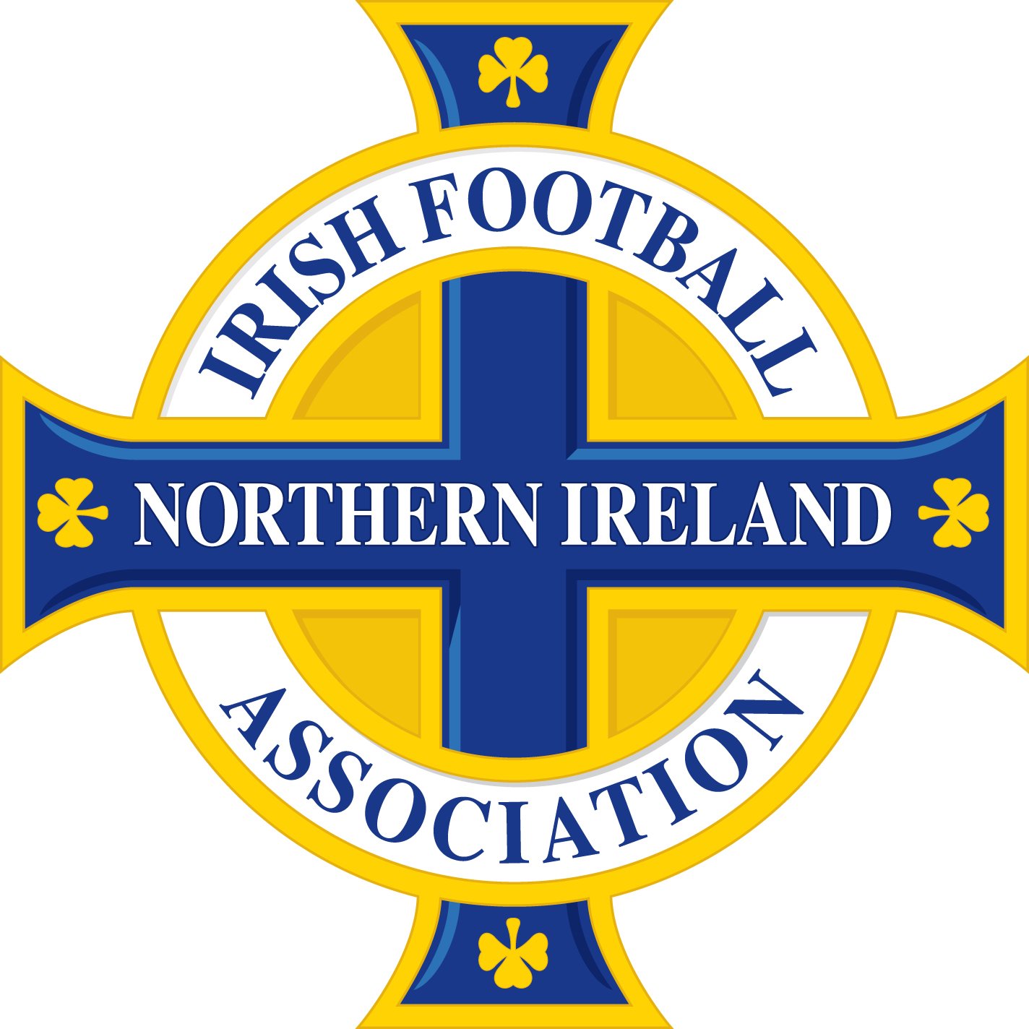

 | PLEASE NOTE, OTHER THAN SUSPENSIONS ARISING FROM THE ACCUMULATION OF CAUTIONS AND/OR TWO CAUTIONS IN THE SAME MATCH, THE BELOW DISMISSALS MAY BE SUBJECT TO DISCIPLINARY CHALLENGE AND SUBSEQUENT APPEAL.

Name of Player/Official | Team Name | Match | Match Date | Offence | Match Suspension | Competition received in | Competition to be served in | Suspension Start Date
Nathan Johnston | 1st Bangor | Dunmurry Rec - 1st Bangor | 2026-08-13 | Two cautions in the same match | 1 | NAFL Division 1A 26/27 | All competitions | Immediate
Matthew Dempster | Abbey Villa | Abbey Villa - Crumlin Star | 2026-08-11 | Two cautions in the same match | 1 | NAFL Premier Division 26/27 | All competitions | Immediate
Ronnie Marshall | Ahoghill Rovers | Ahoghill Rovers - Steadfast | 2026-08-12 | Serious foul play | 3 | Kinecx Energy BSML Division 3 26/27 | All competitions | Immediate
Jack Henderson | Annagh United | Newington - Annagh United | 2026-08-08 | Violent conduct | 3 | BOYLE Sports Championship 26/27 | All competitions | Immediate
Reece Dang | Ballybrakes United | Magherafelt Reds - Ballybrakes United | 2026-08-08 | Using offensive, insulting or abusive language and/or gestures | 2 | C&DL Championship 26/27 | All competitions | Immediate
Ryan Clarke | Ballymoney United | Newtowne - Ballymoney United | 2026-08-11 | Two cautions in the same match | 1 | BPFL Intermediate Division 1 26/27 | All competitions | Immediate
Christine Drain | Ballynahinch Ladies FC | Maiden City Ladies - Ballynahinch Ladies FC | 2026-08-12 | Two cautions in the same match | 1 | NIWFA Division 1 League 2026 | All competitions | Immediate
Brandon Kirk | Ballywalter Rec | Ballywalter Rec - Portaferry Rovers | 2026-08-13 | Two cautions in the same match | 1 | NAFL Division 1C 26/27 | All competitions | Immediate
Jamie O'Flaherty | Bessbrook United | Newbuildings United - Bessbrook United | 2026-08-08 | Using offensive, insulting or abusive language and/or gestures | 2 | Clearer Water Irish Cup 26/27 | All competitions | Immediate
Christopher Cowden | Bloomfield | Ballynahinch United - Bloomfield | 2026-08-13 | Denying an obvious goal-scoring opportunity to an opponent moving towards the player's goal by an offence punishable by a free kick or a penalty kick | 1 | NAFL Division 1C 26/27 | All competitions | Immediate
Connor McRandal | Carnlough Swifts | Carnlough Swifts - Southside Rangers | 2026-08-07 | Accumulation of cautions | 1 | Zala Sports Cup 26/27 | Zala Sports Cup | Immediate
Sean McMullan | Castle Harps | Limavady Athletic - Castle Harps | 2026-08-08 | Serious foul play | 3 | C&DL Division 1 26/27 | All competitions | Immediate
Cameron Moody | Coagh United | St James Swifts - Coagh United | 2026-08-11 | N/A - Obvious Error Challenge Successful | N/A | National Conference League Cup 26/27 | N/A | N/A
Marcus Dallas | Coagh United | St James Swifts - Coagh United | 2026-08-11 | Using offensive, insulting or abusive language and/or gestures | 2 | National Conference League Cup 26/27 | All competitions | Immediate
Sophie Ferson | Coagh United Ladies | Coagh United Ladies - Carniny AYFC Ladies | 2026-08-10 | Serious foul play | 3 | NIWFA Pathway West League 2026 | All competitions | Immediate
Kyle Colgan | Coagh United Reserves | Coagh United Reserves - Cookstown Olympic | 2026-08-08 | Accumulation of cautions | 1 | MUFA Gerald Kennedy Cup Semi-Finals 26/27 | MUFA Gerald Kennedy Cup | Immediate
Emmett McCabe | Colin Valley | Colin Valley - St Lukes | 2026-08-08 | Using offensive, insulting or abusive language and/or gestures | 2 | NAFL Division 1B 26/27 | All competitions | Immediate
Ronan Dooey | Cookstown Olympic | Coagh United Reserves - Cookstown Olympic | 2026-08-08 | Accumulation of cautions | 1 | MUFA Gerald Kennedy Cup Semi-Finals 26/27 | MUFA Gerald Kennedy Cup | Immediate
Stephen Doyle | Cookstown Olympic | Coagh United Reserves - Cookstown Olympic | 2026-08-08 | Accumulation of cautions | 1 | MUFA Gerald Kennedy Cup Semi-Finals 26/27 | MUFA Gerald Kennedy Cup | Immediate
Barrie Kelly | Cookstown Olympic | Coagh United Reserves - Cookstown Olympic | 2026-08-08 | Serious foul play | 3 | MUFA Gerald Kennedy Cup Semi-Finals 26/27 | All competitions | Immediate
Neal Smyth | Cookstown RBL Swifts | Garvagh - Cookstown RBL Swifts | 2026-08-11 | Denying an obvious goal-scoring opportunity to an opponent moving towards the player's goal by an offence punishable by a free kick or a penalty kick | 1 | C&DL Championship 26/27 | All competitions | Immediate
Megan Weatherall | Craigavon City Ladies | Craigavon City Ladies - Greenisland Women | 2026-08-10 | Accumulation of cautions | 1 | NIWFA Championship League 2026 | NIWFA Championship League | Immediate
Conor McCormick | Crebilly | Woodside - Crebilly | 2026-08-12 | Denying an obvious goal-scoring opportunity to an opponent moving towards the player's goal by an offence punishable by a free kick or a penalty kick | 1 | Kinecx Energy BSML Division 3 26/27 | All competitions | Immediate
Conor Nolan | Crumlin United | Crumlin United - Willowbank | 2026-08-13 | Two cautions in the same match | 1 | NAFL Division 1A 26/27 | All competitions | Immediate
Elliott Rea | Dromara Village | Dromara Village - Drumaness Mills | 2026-08-11 | Two cautions in the same match | 1 | NAFL Premier Division 26/27 | All competitions | Immediate
Mark McQuitty | Dungannon Swifts II | Coleraine Reserves - Dungannon Swifts II | 2026-08-12 | Violent conduct | 3 | NIFL U20 Premiership Development League 26/27 | All competitions | Immediate
Dawson Scott | Dunmurry Rec | Dunmurry Rec - Crumlin United | 2026-08-06 | Denying an obvious goal-scoring opportunity to an opponent moving towards the player's goal by an offence punishable by a free kick or a penalty kick | 1 | NAFL Division 1A 26/27 | All competitions | Immediate
Matthew McGrath | Dunmurry Rec | Dunmurry Rec - 1st Bangor | 2026-08-13 | Two cautions in the same match | 1 | NAFL Division 1A 26/27 | All competitions | Immediate
Daniel Brendan Burns | Dunmurry YM | Derriaghy CC - Dunmurry YM | 2026-08-11 | Two cautions in the same match | 1 | NAFL Premier Division 26/27 | All competitions | Immediate
Michael Tolan | FC Antrim | All Saints OB - FC Antrim | 2026-08-11 | Two cautions in the same match | 1 | Kinecx Energy BSML Division 1 26/27 | All competitions | Immediate
Jordan Harrison | Glebe Rangers Reserves | Glebe Rangers Reserves - Tullans Red Star | 2026-08-11 | Two cautions in the same match | 1 | C&DL Championship 26/27 | All competitions | Immediate
Darren Graham | Grove United | Grove United - Suffolk | 2026-08-06 | Violent conduct | 3 | NAFL Division 1C 26/27 | All competitions | Immediate
Jay Weathered | Hanover | Saintfield United - Hanover | 2026-08-08 | Violent conduct | 3 | Clearer Water Irish Cup 26/27 | All competitions | Immediate
Gareth Rainey | Holywell | Holywell - Waveney Swifts | 2026-08-12 | Two cautions in the same match | 1 | Kinecx Energy BSML Division 3 26/27 | All competitions | Immediate
Danny Hawe | Institute | Institute - Ballinamallard United | 2026-08-11 | Denying an obvious goal-scoring opportunity to an opponent moving towards the player's goal by an offence punishable by a free kick or a penalty kick | 1 | BOYLE Sports Championship 26/27 | All competitions | Immediate
Fergal Coyle | Kilrea United | Macosquin - Kilrea United | 2026-08-08 | Two cautions in the same match | 1 | C&DL Premier League 26/27 | All competitions | Immediate
Keri Loughrey | Linfield FC Women | Linfield FC Women - Cliftonville Ladies | 2026-08-10 | Using offensive, insulting or abusive language and/or gestures | 2 | NIFL Women's Premiership 2026 | All competitions | Immediate
Donatas Jermakovas | Linfield Swifts | Linfield Swifts - Ballymena United Reserves | 2026-08-12 | Serious foul play | 3 | NIFL U20 Premiership Development League 26/27 | All competitions | Immediate
Francis Joseph McCaffrey | Loughgall | Loughgall - Newington | 2026-08-11 | Using offensive, insulting or abusive language and/or gestures | 2 | BOYLE Sports Championship 26/27 | All competitions | Immediate
Marc Dixon | Maghera Strollers | Coleraine Crusaders - Maghera Strollers | 2026-08-08 | Violent conduct | 3 | C&DL Premier League 26/27 | All competitions | Immediate
Kevin Coogan | Magherafelt Reds | Heights Reserves - Magherafelt Reds | 2026-08-11 | Violent conduct | 3 | C&DL Championship 26/27 | All competitions | Immediate
Josh McGreevy | Mossley | Mossley - Islandmagee | 2026-08-11 | Two cautions in the same match | 1 | NAFL Premier Division 26/27 | All competitions | Immediate
Jonathan Scannell | Newcastle Town | Woodvale - Newcastle Town | 2026-08-08 | Violent conduct | 3 | NAFL Division 1B 26/27 | All competitions | Immediate
Joseph Tully | Newington | Loughgall - Newington | 2026-08-11 | Violent conduct | 3 | BOYLE Sports Championship 26/27 | All competitions | Immediate
Alexander Price | Orangefield OB | Shorts - Orangefield OB | 2026-08-13 | Using offensive, insulting or abusive language and/or gestures | 2 | NAFL Division 1C 26/27 | All competitions | Immediate
Liam Jessop | Portadown | Carrick Rangers - Portadown | 2026-08-08 | Serious foul play | 3 | BOYLE Sports NIFL Premiership 26/27 | All competitions | Immediate
Darren Semple | Randalstown | Randalstown - Clough Rangers | 2026-08-07 | Two cautions in the same match | 1 | Zala Sports Cup 26/27 | All competitions | Immediate
John Kitson | Randalstown | Randalstown - Randalstown Ramblers | 2026-08-12 | Serious foul play | 3 | Kinecx Energy BSML Division 3 26/27 | All competitions | Immediate
Joseph Patton | Rasharkin Athletic | Riada - Rasharkin Athletic | 2026-08-08 | Entering the field of play to: Confront a match official (including at half-time and full-time), or interfere with play, an opposing player or a match official | 3 | C&DL Division 1 26/27 | All competitions | Immediate
Peter Black | Ravel Rovers | Ravel Rovers - North Ballymena Rangers | 2026-08-12 | Two cautions in the same match | 1 | Kinecx Energy BSML Division 3 26/27 | All competitions | Immediate
Ross Boyd | Rosemount Rec | Rosemount Rec - Downshire YM | 2026-08-11 | Violent conduct | 3 | NAFL Division 1B 26/27 | All competitions | Immediate
Ben McCandless | Seapatrick | Tandragee Rovers - Seapatrick | 2026-08-08 | Two cautions in the same match | 1 | Clearer Water Irish Cup 26/27 | All competitions | Immediate
Jack Kinner | Shankill United | Shankill United - Brantwood | 2026-08-08 | Two cautions in the same match | 1 | Clearer Water Irish Cup 26/27 | All competitions | Immediate
Callum Doherty | Strabane Athletic | Strabane Athletic - Institute | 2026-08-07 | Two cautions in the same match | 1 | BOYLE Sports Championship 26/27 | All competitions | Immediate
Matthew Robinson | Tullans Red Star | Glebe Rangers Reserves - Tullans Red Star | 2026-08-11 | Using offensive, insulting or abusive language and/or gestures | 2 | C&DL Championship 26/27 | All competitions | Immediate
John Nelson | Tullycarnet | Portaferry Rovers - Tullycarnet | 2026-08-06 | Denying an obvious goal-scoring opportunity to an opponent moving towards the player's goal by an offence punishable by a free kick or a penalty kick | 1 | NAFL Division 1C 26/27 | All competitions | Immediate
Aaron Crooks | Upperlands | Upperlands - Coleraine Crusaders Reserves | 2026-08-07 | Violent conduct | 3 | C&DL Division 1 26/27 | All competitions | Immediate

IT IS THE RESPONSIBILITY OF CLUBS TO ENSURE THAT SUSPENSIONS ARE SERVED IN ACCORDANCE WITH THE DISCIPLINARY CODE AND APPLICABLE COMPETITION REGULATIONS.

