WC Friday, 31 July 2026
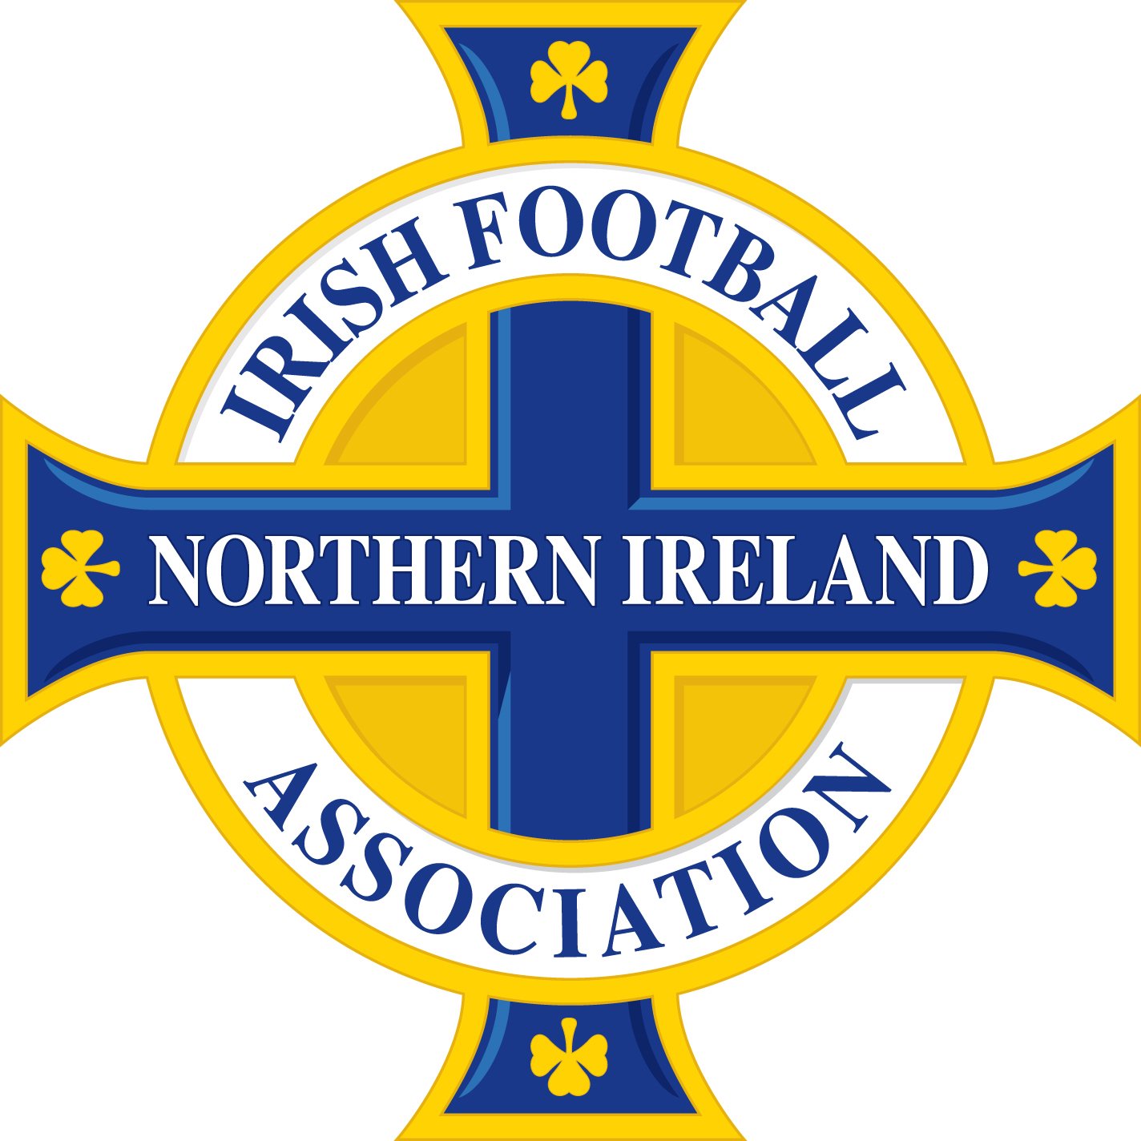

 | PLEASE NOTE, OTHER THAN SUSPENSIONS ARISING FROM THE ACCUMULATION OF CAUTIONS AND/OR TWO CAUTIONS IN THE SAME MATCH, THE BELOW DISMISSALS MAY BE SUBJECT TO DISCIPLINARY CHALLENGE AND SUBSEQUENT APPEAL.

Name of Player/Official | Team Name | Match | Match Date | Offence | Match Suspension | Competition received in | Competition to be served in | Suspension Start Date
Ellie Holmes | Ballymoney United Ladies Reserves | Ballymoney United Ladies Reserves - Oxford Sunnyside Ladies | 2026-08-03 | Violent conduct | 3 | NIWFA Division 3 League | All Competitions | Immediate
Stuart Victor William Beattie | Bangor Amateurs | Bangor Amateurs - Rosemount Rec | 2026-08-04 | Violent conduct | 3 | NAFL Division 1B | All Competitions | Immediate
Aaron McParland | Camlough Rovers | Camlough Rovers - Bessbrook United | 2026-08-04 | Two cautions in the same match | 1 | MUFL Intermediate B | All Competitions | Immediate
Conor McKeown | Camlough Rovers | Camlough Rovers - Bessbrook United | 2026-08-04 | Serious foul play | 3 | MUFL Intermediate B | All Competitions | Immediate
Carys Harbinson | Civil Service Ladies Reserves | Cloughey Ladies - Civil Service Ladies Reserves | 2026-08-02 | Two cautions in the same match | 1 | NIWFA Pathway East League | All Competitions | Immediate
Megan Fox | Civil Service Ladies Reserves | Cloughey Ladies - Civil Service Ladies Reserves | 2026-08-02 | Denying an obvious goal-scoring opportunity to an opponent moving towards the player's goal by an offence punishable by a free kick or a penalty kick | 1 | NIWFA Pathway East League | All Competitions | Immediate
James Duddy | Craigavon City | Craigavon City - Dromore Amateurs | 2026-08-04 | Two cautions in the same match | 1 | MUFL Intermediate B | All Competitions | Immediate
Thomas McKinney | Crumlin Star | Crumlin Star - Derriaghy CC | 2026-08-04 | Serious foul play | 3 | NAFL Premier Division | All Competitions | Immediate
Dawson Scott | Dunmurry Rec | Dunmurry Rec - Crumlin United | 2026-08-06 | Denying an obvious goal-scoring opportunity to an opponent moving towards the player's goal by an offence punishable by a free kick or a penalty kick | 1 | NAFL Division 1A | All Competitions | Immediate
Sean McNally | FC Antrim | Romania NI - FC Antrim | 2026-08-04 | Denying an obvious goal-scoring opportunity to an opponent moving towards the player's goal by an offence punishable by a free kick or a penalty kick | 1 | Zala Sports Cup | All Competitions | Immediate
Matthew Auden Taylor | FC Mindwell | Crewe United - FC Mindwell | 2026-08-04 | Two cautions in the same match | 1 | MUFL Intermediate A | All Competitions | Immediate
David Andrew Fulton | Fivemiletown United | Richhill AFC - Fivemiletown United | 2026-08-04 | Two cautions in the same match | 1 | MUFL Intermediate A | All Competitions | Immediate
Nathan Ernest Taylor Stranaghan | Grove United | Grove United - Castlewellan Town | 2026-08-01 | Two cautions in the same match | 1 | NAFL Division 1C | All Competitions | Immediate
Darren Graham | Grove United | Grove United - Suffolk | 2026-08-06 | Violent conduct | 3 | NAFL Division 1C | All Competitions | Immediate
Emmett Templeton | Immaculata | Ards Rangers - Immaculata | 2026-08-01 | Violent conduct | 3 | NAFL Premier Division | All Competitions | Immediate
Gerald Bailey | Lurgan Celtic | Craigavon City - Lurgan Celtic | 2026-08-01 | Two cautions in the same match | 1 | MUFL Intermediate B | All Competitions | Immediate
Odhran Downey | Lurgan Celtic | Lurgan Celtic - Ambassadors | 2026-08-04 | Two cautions in the same match | 1 | MUFL Intermediate B | All Competitions | Immediate
Leonaldo Lim Faria Da Costa | Newmills | Bourneview Mill - Newmills | 2026-08-04 | Using offensive, insulting or abusive language and/or gestures | 2 | MUFL Intermediate A | All Competitions | Immediate
Kyle Sylvester | Newpark Olympic | Newpark Olympic - Cullybackey Blues | 2026-08-04 | Two cautions in the same match | 1 | Zala Sports Cup | All Competitions | Immediate
Ross Wilson | Seagoe | Seagoe - Seapatrick | 2026-08-01 | Violent conduct | 3 | MUFL Intermediate B | All Competitions | Immediate
Dylan McKeown | Shankill United | Shankill United - Albert Foundry | 2026-08-04 | Denying the opposing team a goal or an obvious goal-scoring opportunity by deliberately handling the ball | 1 | NAFL Division 1A | All Competitions | Immediate
William Melville | Sixmile Athletic | Sixmile Athletic - Abbeyview | 2026-08-04 | Serious foul play | 3 | Zala Sports Cup | All Competitions | Immediate
Scott McCullough | Southside Rangers | Southside Rangers - All Saints OB | 2026-08-04 | Two cautions in the same match | 1 | 360 Properties Top Four Cup | All Competitions | Immediate
Steven Mallon | St Matthews | St Lukes - St Matthews | 2026-08-04 | Two cautions in the same match | 1 | NAFL Division 1B | All Competitions | Immediate
Ryan Conlon | St Oliver Plunkett | Crumlin United - St Oliver Plunkett | 2026-08-01 | Serious foul play | 3 | NAFL Division 1A | All Competitions | Immediate
Lochlainn Crawford | Tandragee Rovers | Tandragee Rovers - Lower Maze | 2026-08-01 | Serious foul play | 3 | MUFL Intermediate A | All Competitions | Immediate
Brian Topley | Tandragee Rovers | Tandragee Rovers - Lurgan Town | 2026-08-04 | Denying an obvious goal-scoring opportunity to an opponent moving towards the player's goal by an offence punishable by a free kick or a penalty kick | 1 | MUFL Intermediate A | All Competitions | Immediate
John Nelson | Tullycarnet | Portaferry Rovers - Tullycarnet | 2026-08-06 | Denying an obvious goal-scoring opportunity to an opponent moving towards the player's goal by an offence punishable by a free kick or a penalty kick | 1 | NAFL Division 1C | All Competitions | Immediate
Conlaed Hagans | Woodvale | Killyleagh YC - Woodvale | 2026-08-01 | Serious foul play | 3 | NAFL Division 1B | All Competitions | Immediate
Ryan Rafferty | Woodvale | Killyleagh YC - Woodvale | 2026-08-01 | Two cautions in the same match | 1 | NAFL Division 1B | All Competitions | Immediate

IT IS THE RESPONSIBILITY OF CLUBS TO ENSURE THAT SUSPENSIONS ARE SERVED IN ACCORDANCE WITH THE DISCIPLINARY CODE AND APPLICABLE COMPETITION REGULATIONS.

